Sheet1
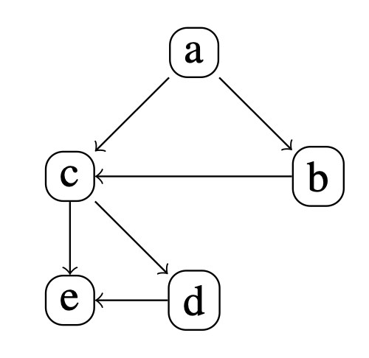
 |  |  | Conditional Probability Tables |  |  |  |  |  |  |  |  |  |  |  |  |  |  | Answers

e |  |  | d |  |  | c |  |  | b |  |  | a |  | Q1. | Pr(¬a ∧ b ∧ c ∧ d ∧ ¬e) = | Pr(¬a) * Pr(b|¬a) * Pr(c|b,¬a) * Pr(d|c) * Pr(¬e|d,c) = | 0.4 * 0.6 * 0.25 * 0.8 * 0.2 = | 0.0096
 |  |  |  |  |  |  |  |  |  |  |  |  |  | Q2. | Pr(a ∧ ¬b ∧ c) = | Pr(a) * Pr(¬b|a) * Pr(c|¬b,a) = | 0.6 * 0.25 * 0.4 = | 0.06
 | e | ¬e |  | d | ¬d |  | c | ¬c |  | b | ¬b | a | ¬a | Q3. | Pr(a|b ∧ c ∧ d ∧ e) = | ((Pr(a) * Pr(b|a) * Pr(c|b,a) * Pr(d|c) * Pr(e|d,c)) / (Pr(a) * Pr(b|a) * Pr(c|b,a) * Pr(d|c) * Pr(e|d,c)) + (Pr(¬a) * Pr(b|¬a) * Pr(c|b,¬a) * Pr(d|c) * Pr(e|d,c)) = | 0.144 / (0.144 + 0.0384) = | 0.78947368421
 |  |  |  |  |  |  |  |  |  |  |  |  |  | Q4. | Pr(c) = | ∑a,b Pr(a,b,c) = | (0.6*0.75*0.5) + (0.4*0.6*0.25) + (0.6*0.25*0.4) + (0.4*0.4*0.3) = | 0.393
d,c | 0.8 | 0.2 | c | 0.8 | 0.2 | b,a | 0.5 | 0.5 | a | 0.75 | 0.25 | 0.6 | 0.4 | Q5. | Pr(b|c) = | Pr(b) = ∑a Pr(a,b) = | (0.6*0.75) + (0.4*0.6) = | 0.69

d,¬c | 0.6 | 0.4 | ¬c | 0.6 | 0.4 | b,¬a | 0.25 | 0.75 | ¬a | 0.6 | 0.4

¬d,c | 0.4 | 0.6 |  |  |  | ¬b,a | 0.4 | 0.6

¬d,¬c | 0.7 | 0.3 |  |  |  | ¬b,¬a | 0.3 | 0.7

 |  |  |  |  | Bayesian network

